Intro
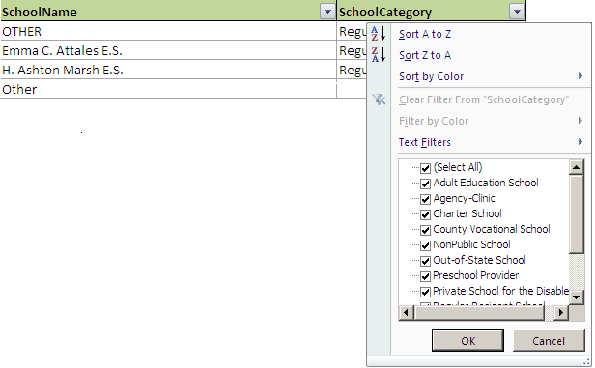
 |  |  |  | County District School Code List

Welcome to the County District School Code list.
For a log of recent updates to all County, District, and School (CDS) Codes, please click on the link below:
CDS Code Updates

*School Code Notes:
 | School Code 000
 |  | There are two scenarios where the 000 school code applies, they are as follows.
 |  | a. | The staff member works in an administration building instead of a school
 |  |  | The County Code and District Code are reported as the district they are working in with a school code of 000
 |  |  | This type of 000 school code appears with a School Name of Administration Building
 |  | b. | The student residents in a K-6 or K-8 district and is therefore attending a high school outside of the residing district.
 |  |  | Per Reporting Responsibility number 2 the student is reported by the attending high school and the resident code reflects the resident county, distric and school code 000.
 |  |  | This type of 000 school code appears with a School Name of Admin Bldg/Sending CDS

 | School Code XYZ
 |  | These are for Non Public schools that serve students in a transition from high school and are attending sharted time only.

 | School Code ABC
 |  | These are for Nonpublic schools that serve preschool studetns who receive some type of special education or speech service

For a List of Municipal Codes and Choice Districts
District Info

If you are searching for a school code, please take the following steps:
1. Press Ctrl + F to bring up the "Find and Replace" pop-up box
2. Click on the Options>> button
3. Under the "Within:" drop down menu, select "Workbook"
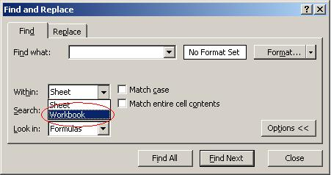

4. Type in the name of the school for which you need to find codes in the "Find what:" textbox, and click on Find All. This will pull up a list of all school codes in the entire workbook that matches the name you typed in.

If you are looking to filter for a list of schools in a specific category or district take the following steps:
1. Select the filter option located in the header row to display the Text Filters.
2. Check the boxes of the categories you would like to view.

